Table 1

Selected Acquisition Report (SAR)
RCS: DD-A&T(Q&A)823-766

Joint Standoff Weapon - Baseline Variant and Unitary Warhead Variant (JSOW)
As of FY 2016 President's Budget
Defense Acquisition Management Information Retrieval
(DAMIR)

Table 40
BASELINE/BLU-108
Unit Cost History
Item |  |  |  |  |  |  |  | Date |  |  |  | BY 1990 $M |  |  |  |  |  |  | TY $M
 |  |  |  |  |  |  |  |  |  |  |  | PAUC |  | APUC |  |  |  |  | PAUC |  |  |  | APUC

Original APB |  |  |  |  | Jun 1992 |  |  |  |  |  |  | 0.214 |  |  |  | 0.175 |  |  |  | 0.337 |  |  |  | 0.292
APB as of January 2006 |  |  |  |  | Aug 2009 |  |  |  |  |  |  | 0.452 |  |  |  | 0.282 |  |  |  | 0.564 |  |  |  | 0.370
Revised Original APB |  |  |  |  | Dec 2004 |  |  |  |  |  |  | 0.452 |  |  |  | 0.282 |  |  |  | 0.564 |  |  |  | 0.370
Prior APB |  |  |  |  | May 2004 |  |  |  |  |  |  | 0.231 |  |  |  | 0.184 |  |  |  | 0.316 |  |  |  | 0.261
Current APB |  |  |  |  | Aug 2009 |  |  |  |  |  |  | 0.452 |  |  |  | 0.282 |  |  |  | 0.564 |  |  |  | 0.370
Prior Annual SAR |  |  |  |  | Dec 2013 |  |  |  |  |  |  | 0.441 |  |  |  | 0.272 |  |  |  | 0.562 |  |  |  | 0.369
Current Estimate |  |  |  |  | Dec 2014 |  |  |  |  |  |  | 0.541 |  |  |  | 0.318 |  |  |  | 0.659 |  |  |  | 0.404
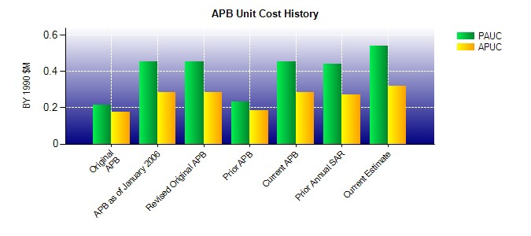
SAR Unit Cost History
Initial SAR Baseline to Current SAR Baseline (TY $M)
Initial PAUC Development Estimate | Changes |  |  |  |  |  |  |  |  |  |  |  |  |  |  |  |  |  |  |  |  | PAUC Production Estimate
 | Econ |  | Qty |  |  | Sch |  |  | Eng |  | Est |  | Oth |  | Spt |  |  | Total
0.340 -0.030 -0.060 0.000 0.000 0.064 0.000 -0.010 -0.036 0.304
Current SAR Baseline to Current Estimate (TY $M)
PAUC Production Estimate |  | Changes |  |  |  |  |  |  |  |  |  |  |  |  |  |  |  |  |  |  | PAUC Current Estimate
 |  | Econ |  | Qty |  |  | Sch |  | Eng | Est |  |  | Oth | Spt |  |  | Total
0.304 -0.013 0.255 0.166 0.041 -0.085 0.000 -0.009 0.355 0.659

Table 44
UNITARY
Unit Cost History
Item |  |  |  |  |  |  |  | Date |  |  | BY 1990 $M |  |  |  |  |  |  |  | TY $M
 |  |  |  |  |  |  |  |  |  |  | PAUC |  |  | APUC |  |  |  |  | PAUC |  |  |  | APUC

Original APB |  |  |  |  | Apr 1995 |  |  |  |  |  | 0.431 |  |  |  |  | 0.398 |  |  |  | 0.809 |  |  |  | 0.766
APB as of January 2006 |  |  |  |  | Dec 2004 |  |  |  |  |  | 0.283 |  |  |  |  | 0.242 |  |  |  | 0.425 |  |  |  | 0.375
Revised Original APB |  |  |  |  | N/A |  |  |  |  |  | N/A |  |  |  |  | N/A |  |  |  | N/A |  |  |  | N/A
Prior APB |  |  |  |  | Feb 2008 |  |  |  |  |  | 0.288 |  |  |  |  | 0.242 |  |  |  | 0.434 |  |  |  | 0.375
Current APB |  |  |  |  | Aug 2009 |  |  |  |  |  | 0.288 |  |  |  |  | 0.242 |  |  |  | 0.434 |  |  |  | 0.375
Prior Annual SAR |  |  |  |  | Dec 2013 |  |  |  |  |  | 0.313 |  |  |  |  | 0.262 |  |  |  | 0.511 |  |  |  | 0.446
Current Estimate |  |  |  |  | Dec 2014 |  |  |  |  |  | 0.420 |  |  |  |  | 0.309 |  |  |  | 0.609 |  |  |  | 0.466
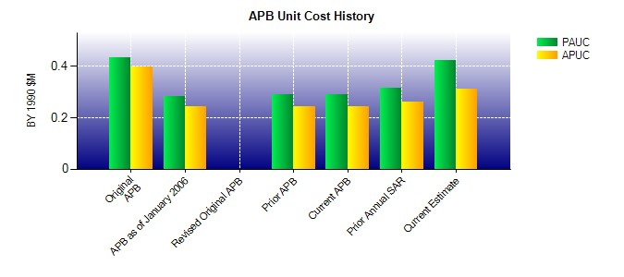
SAR Unit Cost History
Initial SAR Baseline to Current SAR Baseline (TY $M)
Initial PAUC Development Estimate | Changes |  |  |  |  |  |  |  |  |  |  |  |  |  |  |  |  |  |  |  |  | PAUC Production Estimate
 | Econ |  | Qty |  |  | Sch |  |  | Eng | Est |  |  | Oth |  | Spt |  |  | Total
0.809 -0.054 0.041 -0.014 0.098 -0.414 0.000 -0.041 -0.384 0.425
Current SAR Baseline to Current Estimate (TY $M)
PAUC Production Estimate |  | Changes |  |  |  |  |  |  |  |  |  |  |  |  |  |  |  |  |  |  | PAUC Current Estimate
 |  | Econ |  | Qty |  |  | Sch |  | Eng | Est |  | Oth |  | Spt |  |  | Total
0.425 0.034 0.054 0.069 0.154 -0.125 0.000 -0.002 0.184 0.609

